ICEBERG UNDERWEAR
CODE | SKETCH | COLOR | BOX | STYLE | COMPOSITION | WHS | RRP | S | M | L | XL | XXL | TOT
ICE1USP01 |  | BLACK | SINGLE - PACK | BRIEF | 95%CO 5%EA | 8.00 € | 22.00 € | 35 | 150 | 140 | 66 | 48 | 439
ICE1USP01 |  | WHITE | SINGLE - PACK | BRIEF | 95%CO 5%EA | 8.00 € | 22.00 € | 17 | 74 | 70 | 36 | 24 | 221
ICE1USP01 |  | BLUE NAVY | SINGLE - PACK | BRIEF | 95%CO 5%EA | 8.00 € | 22.00 € | 15 | 70 | 67 | 32 | 21 | 205
ICE1USP01 |  | GREY MELANGE | SINGLE - PACK | BRIEF | 95%CO 5%EA | 8.00 € | 22.00 € | 17 | 71 | 74 | 33 | 23 | 218
ICE1UTR01 |  | BLACK | SINGLE - PACK | TRUNK | 95%CO 5%EA | 8.00 € | 22.00 € | 42 | 144 | 149 | 69 | 46 | 450
ICE1UTR01 |  | WHITE | SINGLE - PACK | TRUNK | 95%CO 5%EA | 8.00 € | 22.00 € | 12 | 50 | 47 | 26 | 14 | 149
ICE1UTR01 |  | BLUE NAVY | SINGLE - PACK | TRUNK | 95%CO 5%EA | 8.00 € | 22.00 € | 21 | 84 | 83 | 39 | 20 | 247
ICE1UTR01 |  | GREY MELANGE | SINGLE - PACK | TRUNK | 95%CO 5%EA | 8.00 € | 22.00 € | 22 | 85 | 89 | 39 | 29 | 264
ICE1UTR02 |  | BLACK | BIPACK | TRUNK | 95%CO 5%EA | 11.00 € | 29.00 € | 29 | 125 | 118 | 69 | 37 | 378
ICE1UTR02 |  | WHITE | BIPACK | TRUNK | 95%CO 5%EA | 11.00 € | 29.00 € | 17 | 62 | 65 | 30 | 19 | 193
ICE1UTR02 |  | BLUE NAVY | BIPACK | TRUNK | 95%CO 5%EA | 11.00 € | 29.00 € | 22 | 93 | 100 | 41 | 29 | 285
ICE1UTR02 |  | GREY MELANGE | BIPACK | TRUNK | 95%CO 5%EA | 11.00 € | 29.00 € | 22 | 96 | 93 | 45 | 28 | 284
ICE1UTS01 | 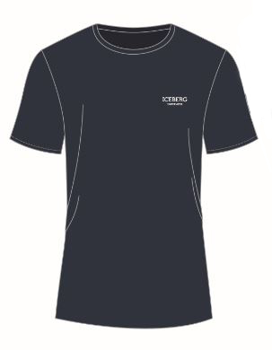 | BLACK | T-SHIRT UNDERWEAR | ROUND NECK | 95%CO 5%EA | 13.00 € | 45.00 € | 12 | 45 | 45 | 23 | 14 | 139
ICE1UTS01 |  | WHITE | T-SHIRT UNDERWEAR | ROUND NECK | 95%CO 5%EA | 13.00 € | 45.00 € | 11 | 43 | 47 | 22 | 10 | 133
ICE1UTS01 |  | BLUE NAVY | T-SHIRT UNDERWEAR | ROUND NECK | 95%CO 5%EA | 13.00 € | 45.00 € | 12 | 47 | 47 | 23 | 11 | 140
ICE1UTS01 |  | GREY MELANGE | T-SHIRT UNDERWEAR | ROUND NECK | 95%CO 5%EA | 13.00 € | 45.00 € | 12 | 51 | 43 | 26 | 15 | 147
ICE1UTS02 | 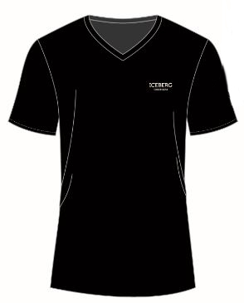 | BLACK | T-SHIRT UNDERWEAR | V-NECK | 95%CO 5%EA | 13.00 € | 45.00 € | 23 | 92 | 91 | 42 | 28 | 276
ICE1UTS02 |  | WHITE | T-SHIRT UNDERWEAR | V-NECK | 95%CO 5%EA | 13.00 € | 45.00 € | 22 | 89 | 90 | 45 | 26 | 272
ICE1UTS02 |  | BLUE NAVY | T-SHIRT UNDERWEAR | V-NECK | 95%CO 5%EA | 13.00 € | 45.00 € | 22 | 90 | 101 | 41 | 27 | 281
ICE1UTS02 |  | GREY MELANGE | T-SHIRT UNDERWEAR | V-NECK | 95%CO 5%EA | 13.00 € | 45.00 € | 22 | 94 | 96 | 40 | 27 | 279
 |  |  |  |  |  |  |  |  |  |  |  |  | 5,000

